Sheet1
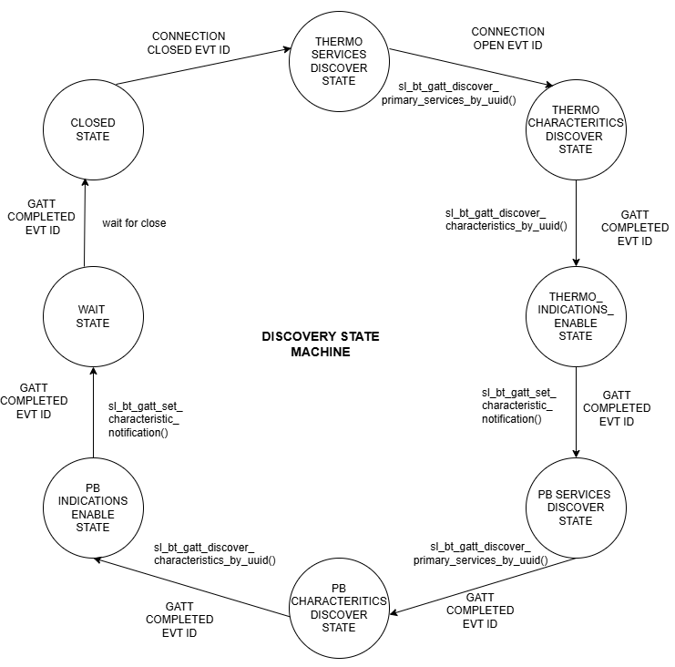
 | Client Command Table for A7

 | Use this table to help you design your program. Add rows as needed. | Use this column to describe when and what your LCD display changes to for rows like DISPLAY_ROW_CONNECTION | Use this column to denote if BT stack events cause your state machine to advance, you can put an X in the cell to note this. Drawing a bubble diagram of your state machine might also be a good idea 👍.
 | Event | LCD Display State | Advances State Machine | Commands called in response to event | Notes
Events Common to Slaves/Clients
 | sl_bt_evt_system_boot_id |  |  | This event is generated on stack boot up | You can also document in column D values that need to be saved in response to receiving BT stack events.
 |  | Discovering & Client address-printed by Client |  | sl_bt_scanner_set_parameters() | Set phy to 1M and mode to passive scanning
 |  | A9 --printed by server and client |  |  | Set phy to 1M, scan interval to 50ms and scan window to 25ms
 |  |  |  |  | Things to be aware of: Scanning is now controlled by a software component. The Bluetooth SoC Empty project includes software component "Scanner for legacy advertisements” which creates event sl_bt_evt_scanner_legacy_advertisement_report_id, which is what we are currently doing in our Sever implementations (sending what SiLabs refers to as legacy advertisements).
 |  |  |  | sl_bt_connection_set_default_parameters() | See the assignment document for these values
 |  |  |  | sl_bt_scanner_start() | Start the GAP discovery procedure to scan for advertising devices
 |  |  |  | sl_bt_sm_configure() | This function configures the security manager requirements and io capabilities
 |  |  |  | sl_bt_sm_delete_bondings() | Delete the bondings to repair everytime

 | sl_bt_evt_connection_opened_id | Connected - printed by Server and Client | X |  | This event indicates that a new connection has opened
 |  | Server Address- printed by client | Save the connection handle | sl_bt_gatt_discover_primary_services_by_uuid() | Perform a one-time discovery of the HTM service using its UUID

 | sl_bt_evt_connection_closed_id | Discovering -printed by Client | X | sl_bt_scanner_start() | This event is trigered when a connection is closed.Hence call this function to start discovery again to reconnect.
 |  |  |  | sl_bt_sm_delete_bondings() | Delete the bondings to repair everytime

 | sl_bt_evt_system_soft_timer_id |  |  | displayUpdate () | This event indicates that a soft timer has expired. Refresh the LCD cells to avoid charge buildup. Call the displayUpdate()

Events only for Masters /Clients
 | sl_bt_evt_scanner_scan_report_id |  | Save advertising packet-type, bluetooth address of the remote device (bd_address) and address type | Is the bd_addr, packet_type and address_type what we expect for our Server. sl_bt_scanner_stop() sl_bt_connection_open() | This event is triggered when advertisement packets are received in response to sl_bt_scanner_start(). Perform operations : Stop scanning and connect to the advertised device.

 | sl_bt_evt_gatt_procedure_ completed_id | Handling Indications -printed by Client | X |  | This event is triggered when a procedure was successfully completed or failed with an error.This event is generated in response to sl_bt_gatt_discover_primary_services_by_uuid(), sl_bt_gatt_discover_characteristics_by_uuid() and sl_bt_gatt_set_characteristic_notification() and sl_bt_gatt_read_characteristic_value() . The application waits for this event before issuing another GATT command
 |  |  |  | sl_bt_sm_increase_security() | This function enhances the security of the connection by initiating the bonding process for data encryption
 |  |  |  | sl_bt_gatt_discover_characteristics_by_uuid() | This function performs a one-time discovery of the Temperature Measurement characteristic using its UUID. This function is called after the sl_bt_gatt_discover_primary_services_by_uuid() function hits the gatt_procedure_ completed event.
 |  |  |  | sl_bt_gatt_set_characteristic_notification() | This function enables the indications sent from a remote GATT server. It is called after the sl_bt_gatt_discover_characteristics_by_uuid() function hits the gatt_procedure_ completed event.

 | sl_bt_evt_gatt_service_id |  | Save the gatt_service handle for both | A GATT service in the remote GATT database was discovered | This event is generated in response to sl_bt_gatt_discover_primary_services_by_uuid().

 | sl_bt_evt_gatt_characteristic_id |  | Save the characteristic handle for both | A GATT characteristic in the remote GATT database was discovered. | This event is generated in response to sl_bt_gatt_discover_characteristics_by_uuid().

 | sl_bt_evt_sm_confirm_passkey_id | Passkey & Confirm with PB0 - printed by client |  |  | Passkey is displayed for the confirmation

 | sl_bt_evt_sm_confirm_bonding_id |  |  | sl_bt_sm_bonding_confirm() | Bonding request received ,accept the bonding

 | sl_bt_evt_sm_bonded_id | Bonded--- printed by Client | Set bonding_status true |  | Bonding accepted successfully

 | sl_bt_evt_sm_bonding_failed_id | Bonding failed--- printed by Client |  |  | Bonding failed

 | sl_bt_evt_system_external_signal_id |  |  | sl_bt_gatt_read_characteristic_value() | This call is initiated if PB1 is pressed. This function attempts to read the characteristic value
 |  |  |  | sl_bt_sm_passkey_confirm() | This call is initiated of PB0 is pressed.Accept the request by confirming the displayed passkey value
 |  |  |  | sl_bt_gatt_set_characteristic_notification | This call is initiated after the PB0 and PB1 toggle sequence , to toggle the push button state indication

 | sl_bt_evt_gatt_characteristic_value_id | Temperature= "value"-printed by Client |  | sl_bt_gatt_send_characteristic_confirmation() | If an indication or notification has been enabled for a characteristic, this event is triggered whenever an indication or notification is received from the remote GATT server. Is the characteristic handle and att_opcode we expect? This event is triggered in reponse to indications from the server (server sends characteristics value )
 |  | Button presses / Button released -- printed by Client |  |  | The temperature and button state received from the server is displayed

